Number_of_votes
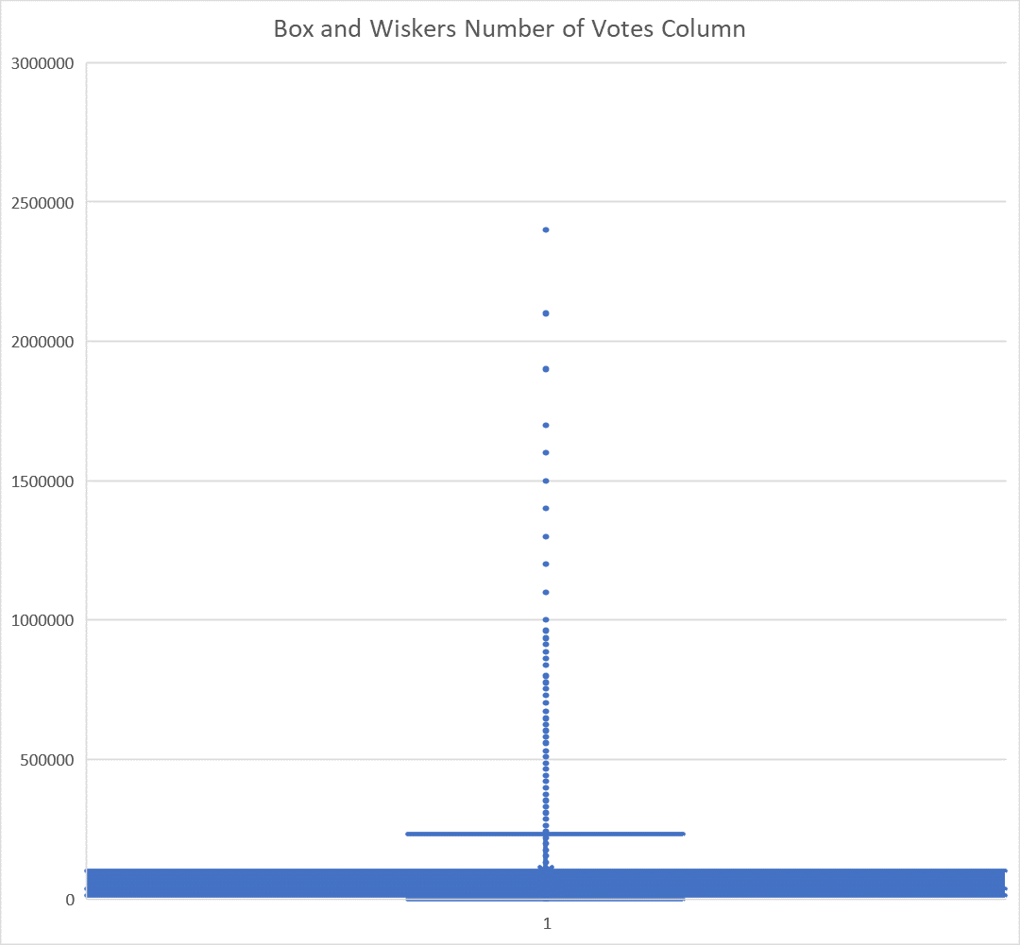

We can see some outliers here. Yet, we should not discard these values as they might be significant.
They could help analyse movies that get viewers particularly engaged in terms of votes.
These values do not skew the score given to the movies, as the scores are normalised values (average) that allow for comparison between movies.

